ScreenPrints of Default Values
AWS SQS
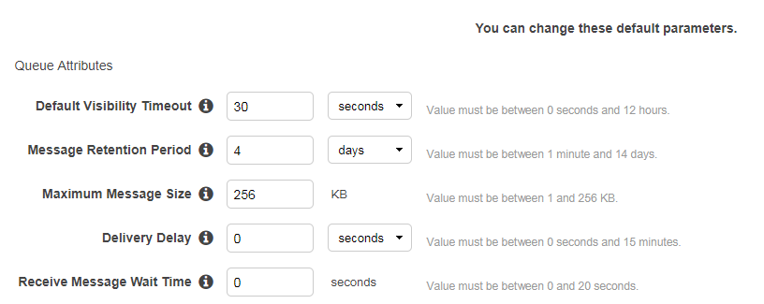

AWS Shared responsibulity Model
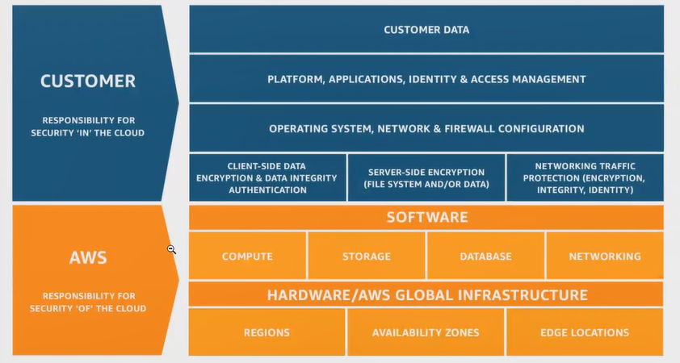

RDS
 | MS SQL
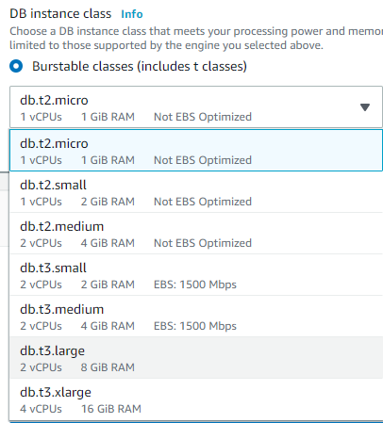

 | MySQL
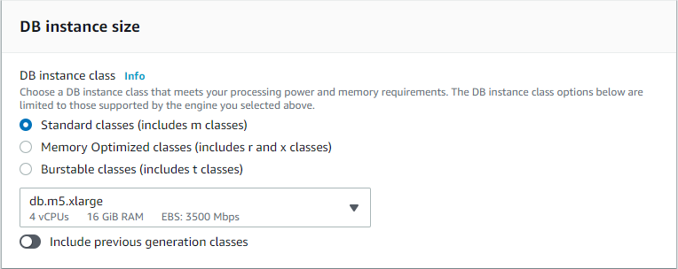

 | Aurora

